Service Item Type (1)
Back | Object Name | Apt_UK__ServiceItemType__c
Field No | Field Label | Field Name | Data Type | Length / Format | Default Value | Mandatory | Description / Notes | Example | Design Status | Status | Source | Object/Table | Field | Data Type | Comments | ADO | ADO Comment
1 | Staging Ref | StagingRef__c | Text | 80 | n/a | TRUE | Service Item Type Staging Ref |  |  | Complete | Rapid |  |  |  | A record will be created for each schargeprog or each mtcodeitemsv as detailed below. "/" delimited Charge Type + Charge Code + Wholesaler + Division + Meter Size + Band Type Always provide all elements of the staging ref even where some are blank. | Task 46631 CMOS consideration - Are CMOS customer being managed outside of Aptumo ? | comment - 2025/04/14 - ticket closed
2 | Service Item Type Name | Name | Text | 80 | n/a | TRUE | Record Name - Shown to the agent in the UI. This is the description of the Service Item Type shown to the user/agent in Aptumo (including details of Division, Device Size and Band Type - where applicable) - there is a separate field (Bill Description) to hold what is presented to the actual customer (which may be required to be in plainer language) E.g: "Water - Measured Fixed (Division X, 15mm)" | Water - Measured Fixed (#Division, #Dev Size, #Band) |  | Complete | Rapid |  |  |  | Charge Type Description - Charge Code Description (Wholesaler, Division, Meter Size, Band Type) If optional elements have not been provided (i.e. Band Type) then do not include the additional comma in the delimiter.
3 | Service Company Staging Ref | ServiceCompanyStagingRef__c | Text | 80 | n/a | TRUE | This is a lookup to a wholesaler record |  |  | Complete | Map Decode | schargeprog | company |  | schargeprog.company mapped to a wholesaler using a mapping decode
4 | Service Item Family Staging Ref | ServiceItemFamilyStagingRef__c | Text | 80 | n/a | TRUE |  |  |  | Complete | Rapid | schargeprog | chargetype
5 | Division Staging Ref | DivisionStagingRef__c | Text | 80 | n/a | TRUE |  |  |  | Complete | Rapid |  |  |  | If schargeprog.divlevel is true then create a Service Item Type for each Division object record and put the Staging Ref of the Division object here. Only create the Service Item Type if the division is applied on a matching schargeapp in Rapid. Otherwise, leave blank.
6 | Device Size Staging Ref | DeviceSizeStagingRef__c | Text | 80 | n/a | FALSE |  |  |  | Complete | Map Decode |  |  |  | If schargetype.codedecode = "metsize" then use a mapping decode to map the chargecode to a Device Size Staging Ref. Otherwise, leave blank
7 | Band Type Staging Ref | BandTypeStagingRef__c | Text | 80 | n/a | FALSE |  |  |  | Complete | Rapid |  |  |  | When creating Service Item Types, if the charge type and charge code combination can be found in a new mapping decode (aptmap0059) then link the Service Item Type to the Band Type listed in the description of the decode.
8 | Group Type Staging Ref | GroupTypeStagingRef__c | Text | 80 | n/a | FALSE | If Tariff Limit or other Group Type (i.e. Minimum Charge) functionality is to be applied to this Service Item Type then the relevant staging ref should be provided here. | Water - Min |  | Complete | Map Decode | schargeprog | chargetype |  | If (chargetype is "a" or "as" or "ua" or "vs" or "vw") Or (the chargetype is "e" and the chargecode begins with "m") Then use a mapping a decode on the charge type Info Note: "ua" = Unmeasured Min Charge "vs" = Vulnerable Cust Water (Watersure) "vw" = Vulnerable Cust Sewerage (Watersure)
9 | Bill Description | Apt_UK__BillDescription__c | Text | 90 | n/a | TRUE | Description of the Service Item Type that will be shown on the Bill output (XML, PDF) (shown to the customer) | Water Standing Charge |  | Complete | Rapid | schargeprog | billdesc
10 | Start Date | Apt_UK__StartDate__c | Date | DD/MM/YYYY | n/a | TRUE | Date from which this Service Item Type is effective - Bill Items will not be generated before this date for this Service Item Type | 2016-04-01 |  | Complete | Default Decode |  |  |  | Not held in Rapid. Get this value from a decode
11 | End Date | Apt_UK__EndDate__c | Date | DD/MM/YYYY | n/a | FALSE | Date until which this Service Item Type is effective - Bill Items will not be generated after this date for this Service Item Type. Optional, blank value acceptable (expected in most records) |  |  | Complete | Default |  |  |  | Not held in Rapid. Leave blank.
12 | Eligible for an Agreed Rate | Apt_UK__EligibleforanAgreedRate__c | Picklist | TRUE / FALSE | n/a | TRUE | Identifies if this Service Item Type can have an Agreed Rate (Rate set at Service Item level per Supply Point). This field only controls whether a Service Item Type is inclued in the Agreed Rate Wizard or not. Actual billing will use Agreed Rate values where they are present (instead of Rate values) regardless of the setting of this field. | FALSE |  | Complete | Rapid |  |  |  | If schargetype.special is true then "Yes" else "No"
13 | Available To Select In Wizard | Apt_UK__AvailableToSelectInWizard__c | Checkbox | TRUE / FALSE | n/a | TRUE | Indicates that Service Item Type record is selectable in Wizard… This controls whether these Service Item Types are available to select as additional/sundry charges as part of the Customer Moves Wizard. | TRUE |  | Complete | Map Decode |  |  |  | Use a mapping decode on chargetype and chargecode (delimitted). Decode description will contain a "0" or "1" to indicate if the charge is selectable. Defaults to "0" if no entry is present.

 |  | Active for selection |  | dd12 | 2025-05-08
 |  | Affordability |  | dd12 | 2025-05-08
 |  | available to select to wizard |  | dd12 | 2025-05-08
 |  | band type |  | dd12 | 2025-05-08
 |  | bill description |  | dd12 | 2025-05-08
 |  | business unit |  | dd12 | 2025-05-08
 |  | charge type |  | dd12 | 2025-05-08
 |  | company id |  | dd12 | 2025-05-08
 |  | device size |  | dd12 | 2025-05-08
 |  | Division |  | dd12 | 2025-05-08
 |  | Eligible |  | dd12 | 2025-05-08

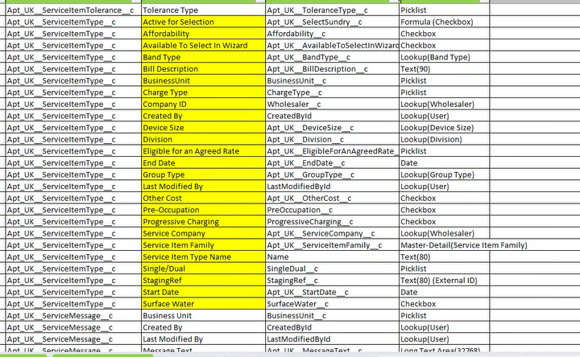
 |  |  |  |  |  |  |  |  | dd12 | 2025-05-08
 |  |  |  |  |  |  |  |  | dd12 | 2025-05-08
 |  |  |  |  |  |  |  |  | dd12 | 2025-05-08
 |  |  |  |  |  |  |  |  | dd12 | 2025-05-08
 |  |  |  |  |  |  |  |  | dd12 | 2025-05-08
 |  |  |  |  |  |  |  |  | dd12 | 2025-05-08
 |  |  |  |  |  |  |  |  | dd12 | 2025-05-08
 |  |  |  |  |  |  |  |  | dd12 | 2025-05-08
 |  |  |  |  |  |  |  |  | dd12 | 2025-05-08
 |  |  |  |  |  |  |  |  | dd12 | 2025-05-08
 |  |  |  |  |  |  |  |  | dd12 | 2025-05-08
 |  |  |  |  |  |  |  |  | dd12 | 2025-05-08
 |  |  |  |  |  |  |  |  | dd12 | 2025-05-08
 |  |  |  |  |  |  |  |  | dd12 | 2025-05-08
 |  |  |  |  |  |  |  |  | dd12 | 2025-05-08
 |  |  |  |  |  |  |  |  | dd12 | 2025-05-08
 |  |  |  |  |  |  |  |  | dd12 | 2025-05-08
 |  |  |  |  |  |  |  |  | dd12 | 2025-05-08
 |  |  |  |  |  |  |  |  | dd12 | 2025-05-08
 |  |  |  |  |  |  |  |  | dd12 | 2025-05-08
 |  |  |  |  |  |  |  |  | dd12 | 2025-05-08
 |  |  |  |  |  |  |  |  | dd12 | 2025-05-08
 |  |  |  |  |  |  |  |  | dd12 | 2025-05-08
 |  |  |  |  |  |  |  |  | dd12 | 2025-05-08

 | Type of Charge | ChargeType__c |  | dd15 | 2025-06-10 |  | Picklist | Measured, Unmeasured |  | rev 5
 | Number Of Occupants | NumberOfOccupants__c |  | dd15 | 2025-06-10 |  | Picklist | 1,2,>2,3,4,5,6,7 |  | rev 5
 | Service Item Type Category | ServiceItemTypeCategory__c |  | dd15 | 2025-06-10 |  | Picklist | Household, Non-Household, Nav |  | rev 5
 | Surface Water Drainage | SurfaceWaterDrainage__c |  | dd15 | 2025-06-10 |  | Checkbox |  |  | rev 5
 | Assessed | AssessedCharge__c |  | dd15 | 2025-06-10 |  | Checkbox |  |  | rev 5

